Examples
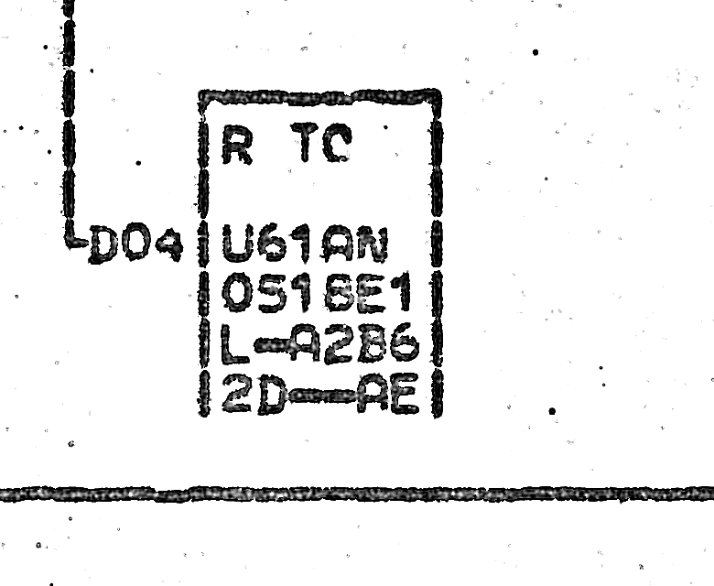
Native scan comparisons

Left is the question block. Right is a matching card-portion example. The guesses remain tentative.

Question 1: AP681 BD (5A), 3312K1
FS-RARE-3312K1-n40922b2dc8a87a2b
Target: AP681 BD (5A), current R T0. | Comparison: AP745 BC (2K), current R T0
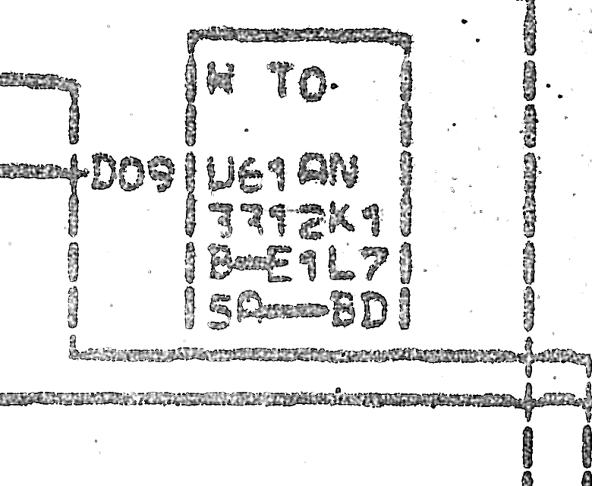
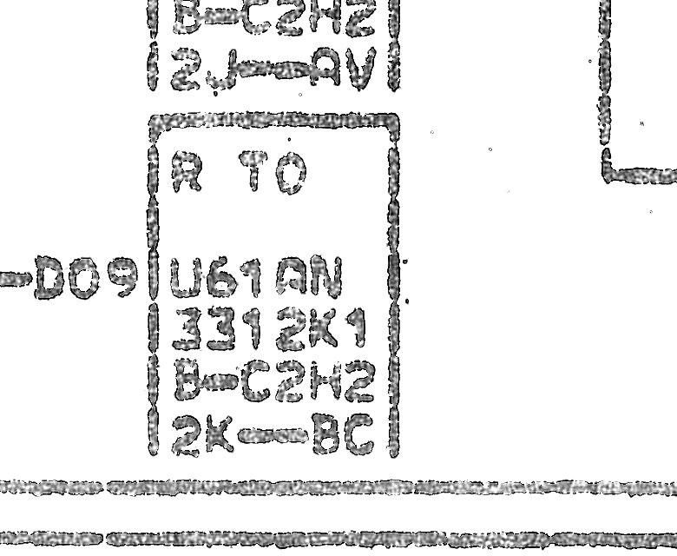

Question 2: AP813 BH (4L), 0494J1
FS-RARE-0494J1-n8327a3c21a48b814
Target: AP813 BH (4L), current AH | Comparison: AP735 AE (2C), current AR
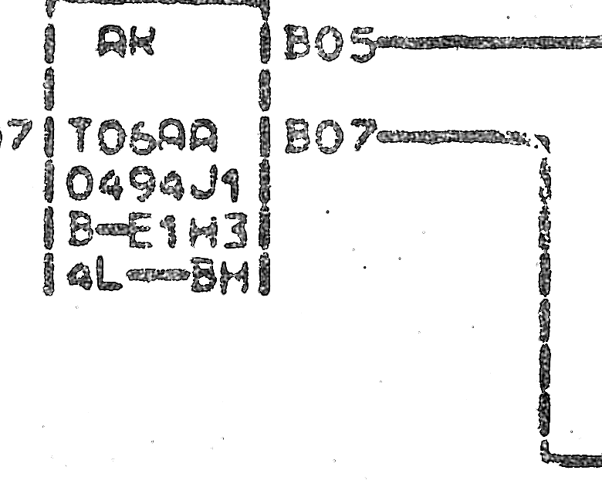
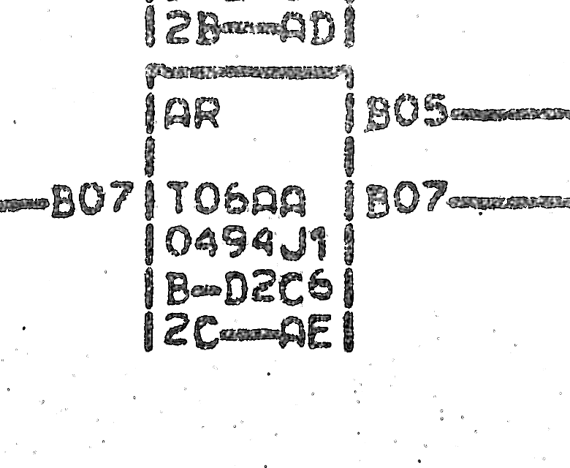

Question 3: BF251 AU (7G), 0518L1
FS-RARE-0518L1-n00aaaa53eef525a8
Target: BF251 AU (7G), current P T0 | Comparison: BF171 AU (7G), current R T0
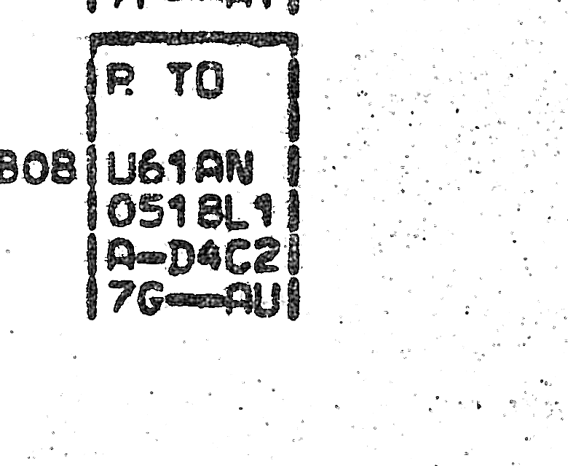


Question 4: CW011 AW (1G), 0494H1
FS-RARE-0494H1-n78a745e6a57f391c
Target: CW011 AW (1G), current AH | Comparison: CE141 AH (2N), current AR
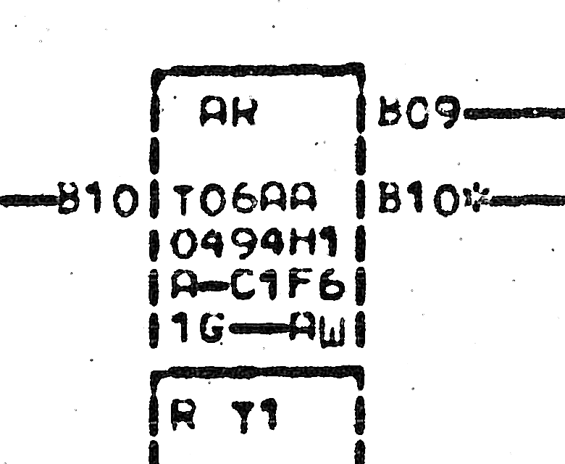
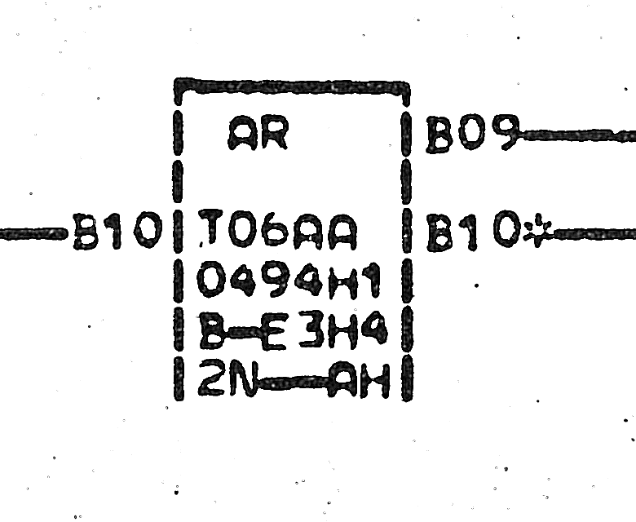

Question 5: FC371 AX (4L), 3365K1
FS-RARE-3365K1-n73023e8fca2c897c
Target: FC371 AX (4L), current R TI | Comparison: AR081 AS (4E), current R T1
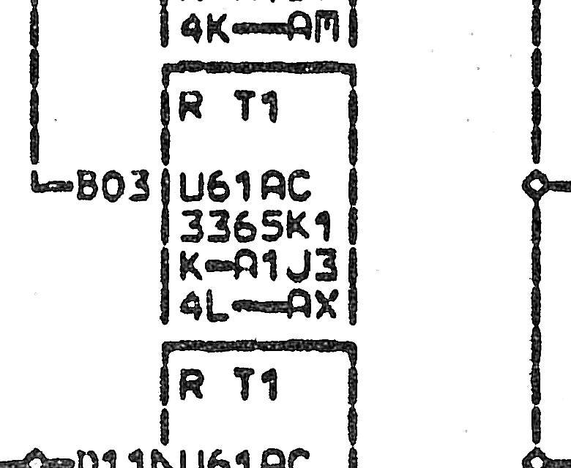
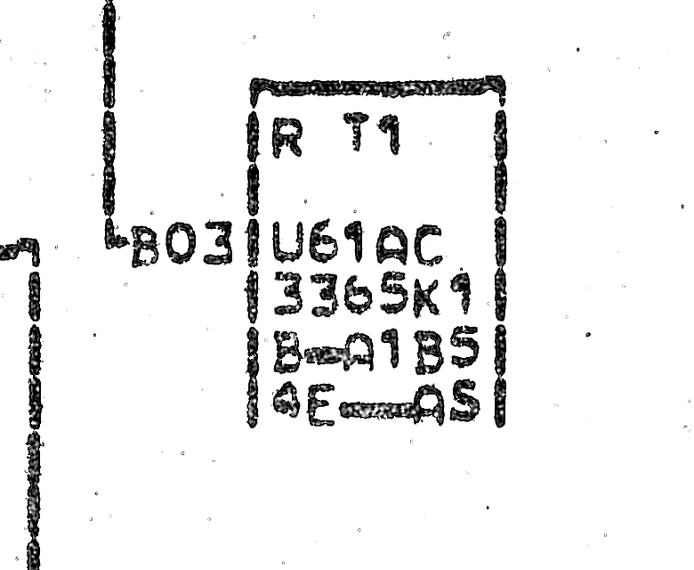

Question 6: KM121 AU (1H), 0512B1
FS-RARE-0512B1-n8b461fe1a4f8dfa1
Target: KM121 AU (1H), current R TI | Comparison: AP761 BA (4B), current R T1
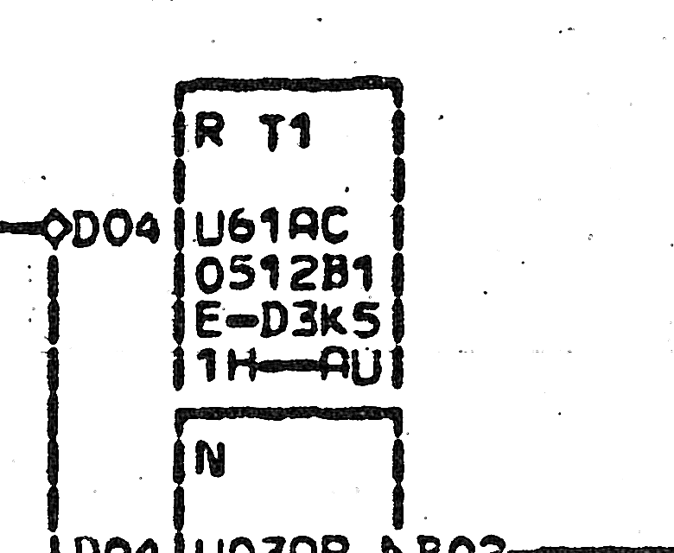
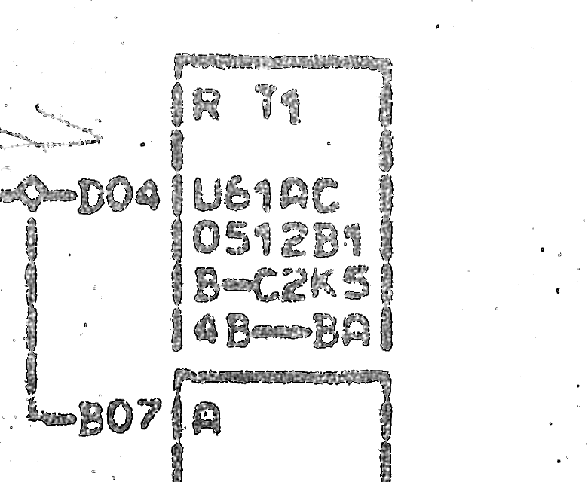

Question 7: KM841 BB (7G), 0518E1
FS-RARE-0518E1-n9967afb1a78e4255
Target: KM841 BB (7G), current R 70 | Comparison: AP735 AL (4D), current R T0
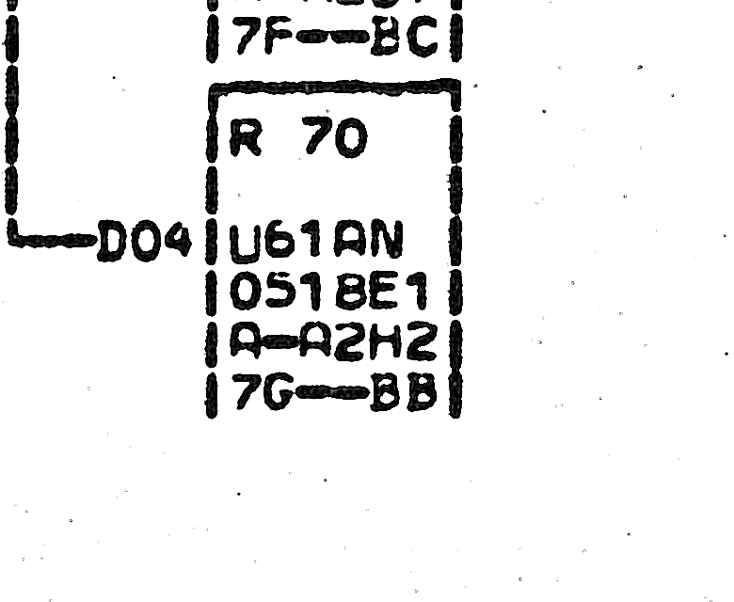
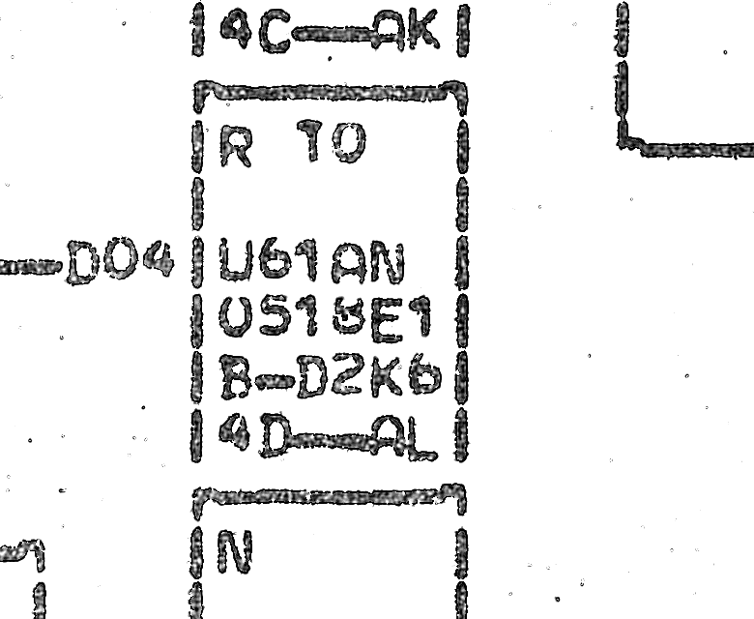

Question 8: KR021 AB (2J), 3365F1
FS-RARE-3365F1-n1574fa830476e6b1
Target: KR021 AB (2J), current K T1 | Comparison: AR081 AR (5B), current R T1
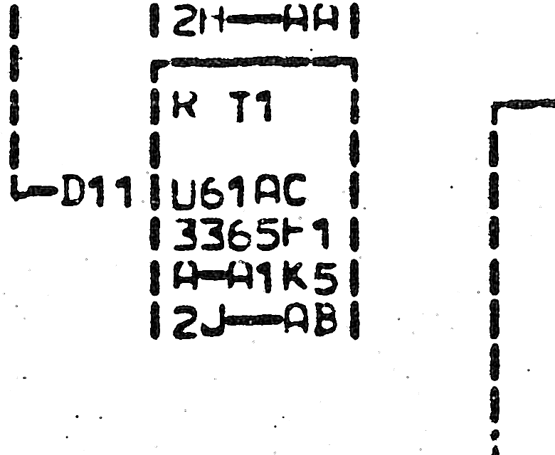
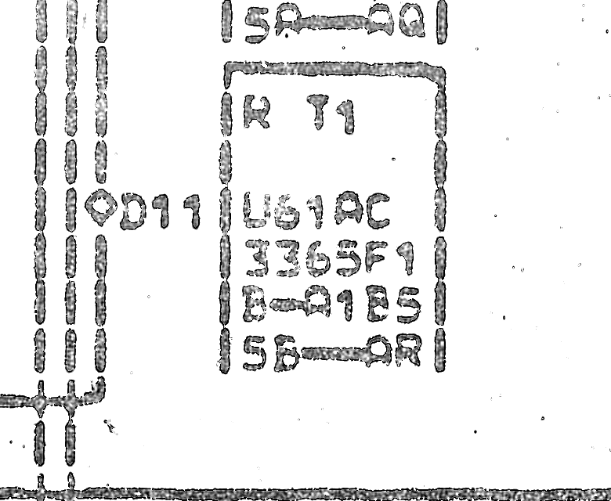

Question 9: XX111 AG (2J), 0518L1
FS-RARE-0518L1-n6a913dba2ea08ff7
Target: XX111 AG (2J), current R TC | Comparison: BF171 AU (7G), current R T0
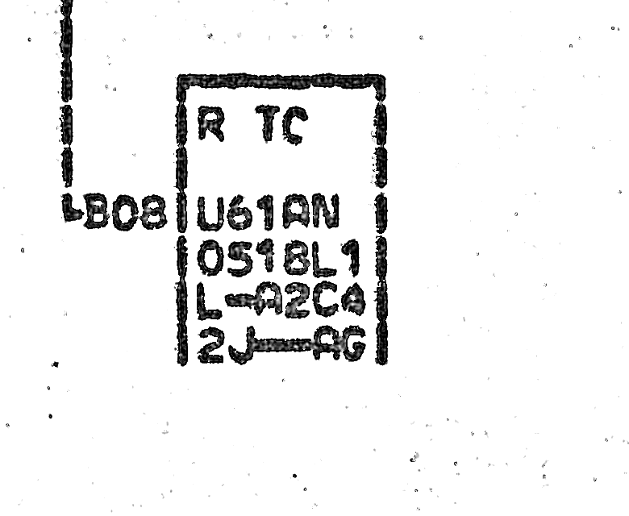

Question 10: XX511 AE (2D), 0518E1
FS-RARE-0518E1-nc1b45f608f06813e
Target: XX511 AE (2D), current R TC | Comparison: AP735 AL (4D), current R T0

